Q2 - Category Counts
Q2) Number of Transactions, Category-wise
SQL: SELECT narration, COUNT(*) FROM transactions GROUP BY narration ORDER BY COUNT(*) DESC

Category | Txn Count | % of Total
IMPS | 254 | 54.4%
IFT | 83 | 17.8%
UPI | 79 | 16.9%
NEFT | 30 | 6.4%
RTGS | 21 | 4.5%
Total | 467 | 100.0%
Transactions by Category

Q3 - Load Amount Stats
Q3) Load Amount: Statistical Summary, Bell Curve, Box Plot
"Load amount" = Transaction Amt where Transaction Type = CREDIT (see README).
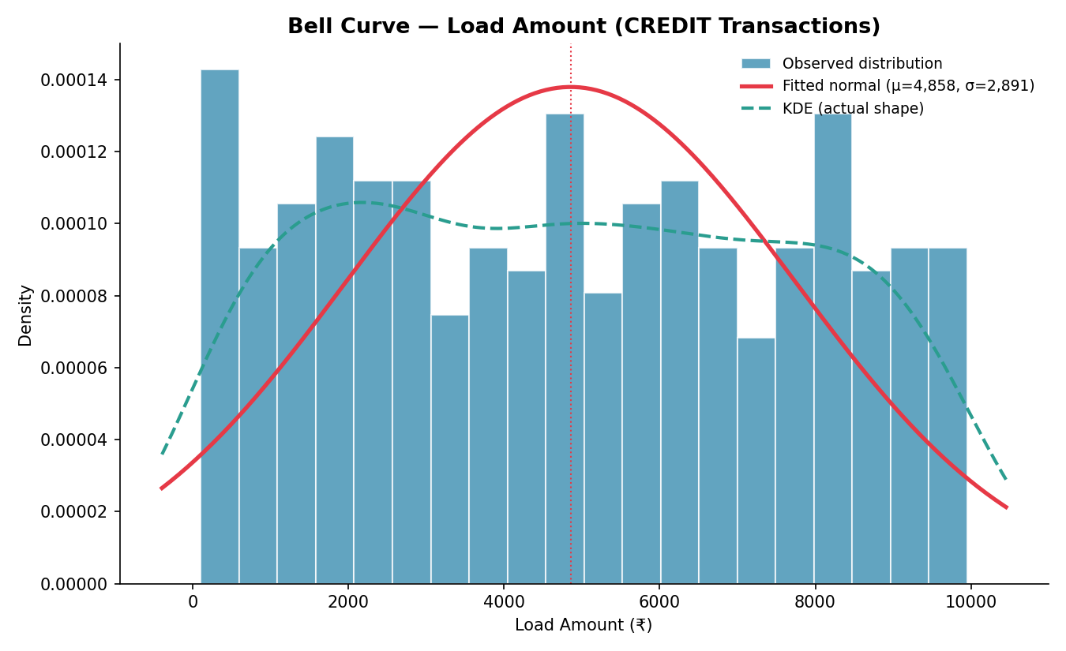
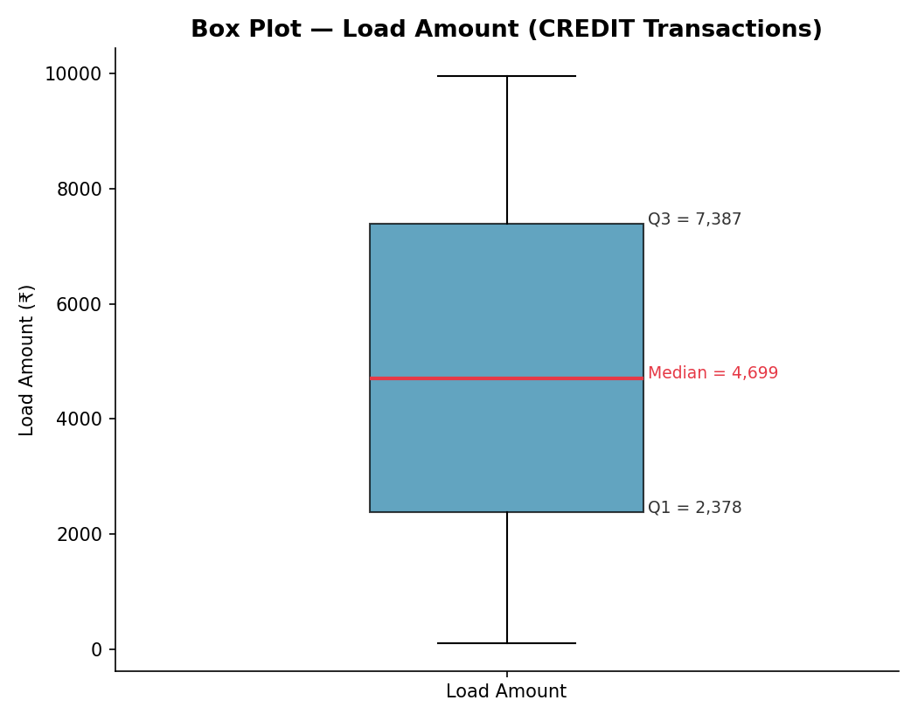
Metric | Value
Count | 327
Mean | 4,857.73
Median | 4,699.00
Mode | 715
Std Dev | 2,895.87
Variance | 8,386,059.96
Minimum | 108
Maximum | 9,950
Range | 9,842
Q1 (25th pct) | 2,378.00
Q3 (75th pct) | 7,387.00
IQR | 5,009.00
Skewness | 0.062
Kurtosis (excess) | -1.210

Skewness ≈ 0 → roughly symmetric. Negative excess kurtosis → flatter than a normal curve (platykurtic).

Q4 - Monthly Cohort
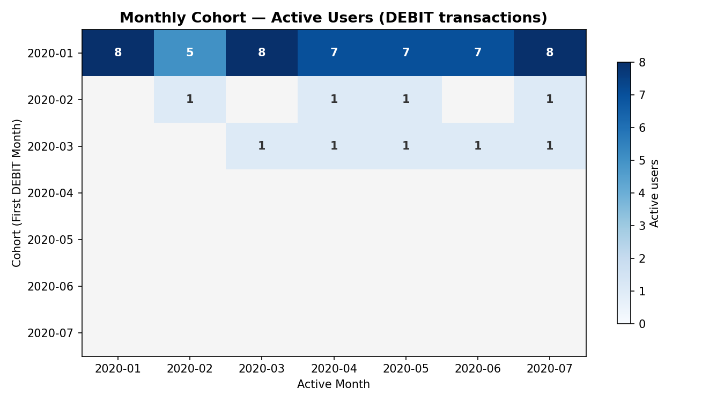
Q4) Monthly Cohort View of Active Users (users doing DEBIT transactions)
Cohort = calendar month of a user's FIRST DEBIT txn. Cell = count of that cohort's users who placed ≥1 DEBIT txn in the column's month.

 |  |  |  |  |  |  |  |  | Helper table (feeds the matrix at left) →
First Month \ Active Month | 2020-01-01 | 2020-02-01 | 2020-03-01 | 2020-04-01 | 2020-05-01 | 2020-06-01 | 2020-07-01 | Cohort Size | User | Cohort Month | 1 | 2 | 3 | 4 | 5 | 6 | 7
2020-01-01 | 8 | 5 | 8 | 7 | 7 | 7 | 8 | 8 | 1 | 1 | 1 | 0 | 1 | 1 | 1 | 1 | 1
2020-02-01 | 0 | 1 | 0 | 1 | 1 | 0 | 1 | 1 | 2 | 1 | 1 | 1 | 1 | 1 | 1 | 1 | 1
2020-03-01 | 0 | 0 | 1 | 1 | 1 | 1 | 1 | 1 | 3 | 1 | 1 | 1 | 1 | 1 | 1 | 1 | 1
2020-04-01 | 0 | 0 | 0 | 0 | 0 | 0 | 0 | 0 | 4 | 3 | 0 | 0 | 1 | 1 | 1 | 1 | 1
2020-05-01 | 0 | 0 | 0 | 0 | 0 | 0 | 0 | 0 | 5 | 1 | 1 | 0 | 1 | 1 | 1 | 1 | 1
2020-06-01 | 0 | 0 | 0 | 0 | 0 | 0 | 0 | 0 | 6 | 1 | 1 | 0 | 1 | 0 | 1 | 0 | 1
2020-07-01 | 0 | 0 | 0 | 0 | 0 | 0 | 0 | 0 | 7 | 1 | 1 | 1 | 1 | 1 | 1 | 1 | 1
 |  |  |  |  |  |  |  |  | 8 | 1 | 1 | 1 | 1 | 1 | 1 | 1 | 1
Same cohort, shown as retention % of cohort size |  |  |  |  |  |  |  |  | 9 | 2 | 0 | 1 | 0 | 1 | 1 | 0 | 1
First Month \ Active Month | 2020-01-01 | 2020-02-01 | 2020-03-01 | 2020-04-01 | 2020-05-01 | 2020-06-01 | 2020-07-01 |  | 10 | 1 | 1 | 1 | 1 | 1 | 0 | 1 | 1
2020-01-01 | 100% | 63% | 100% | 88% | 88% | 88% | 100%
2020-02-01 | 0% | 100% | 0% | 100% | 100% | 0% | 100%
2020-03-01 | 0% | 0% | 100% | 100% | 100% | 100% | 100%
2020-04-01 | - | - | - | - | - | - | -
2020-05-01 | - | - | - | - | - | - | -
2020-06-01 | - | - | - | - | - | - | -
2020-07-01 | - | - | - | - | - | - | -

